Classica Camp de Morvedre
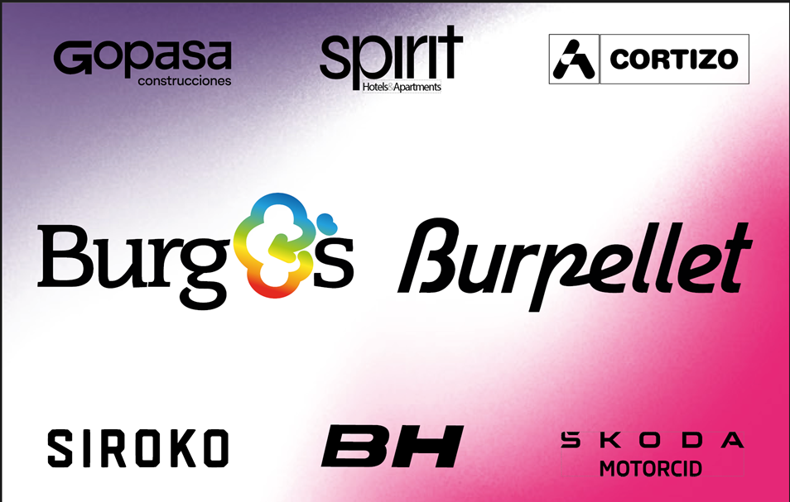

 |  |  | Classica Camp de Morvedre 1.1

EDICION:2026, Fecha:2026-01-23

Edición 2025
Resumen:

20 km solo | Participacion:(64, 64) | Desnivel: 2086m | 178.1km | 41.336km/h
 |  |  |  |  | PUNTOS UCI POR EQUIPO
TOP 10 |  |  |  |  | team_name | uci_points
 |  |  |  |  | Equipo Kern Pharma | 40
rank | rider_name | time | team_name | specialties | Team TotalEnergies | 35
1 | Berrade Urko | 4:18:31 | Equipo Kern Pharma | gc:478, climber:328 | St Michel - Preference Home - Auber93 | 33
2 | Breuillard Nicolas | 4:18:41 | St Michel - Preference Home - Auber93 | climber:243, hills:150 | Burgos Burpellet BH | 30
3 | Chumil Sergio Geovani | 4:18:41 | Burgos Burpellet BH | time_trial:284, sprint:150 | Caja Rural - Seguros RGA | 10
4 | Brunel Alexys | 4:18:58 | Team TotalEnergies | one_day_races:694, hills:598 | Nice Métropole Côte d'Azur | 3
5 | Delettre Alexandre | 4:19:02 | Team TotalEnergies | one_day_races:493, hills:482 | Team Polti VisitMalta | 3
6 | Silva Guillermo Thomas | 4:19:02 | Caja Rural - Seguros RGA | gc:1610, climber:968 | Anicolor / Tien 21 | 0
7 | Kudus Merhawi | 4:19:02 | Burgos Burpellet BH | gc:183, climber:70 | Illes Balears Arabay | 0
8 | Crescioli Ludovico | 4:19:02 | Team Polti VisitMalta | one_day_races:195, gc:178 | Euskaltel - Euskadi | 0
9 | Champion Thomas | 4:19:02 | St Michel - Preference Home - Auber93 |  | Comunitat Valenciana | 0
10 | Hänninen Jaakko | 4:19:02 | Nice Métropole Côte d'Azur |  | AVC Aix Provence Dole | 0
 |  |  |  |  | S.C. Padovani Polo Cherry Bank | 0
RESULTADO BURGOS |  |  |  |  | Petrolike | 0
rank | rider_name | time | uci_points | breakaway_kms | Lidl - Trek Future Racing | 0
3 | Chumil Sergio Geovani | 4:18:41 | 25 | 0 | Van Rysel Roubaix | 0
7 | Kudus Merhawi | 4:19:02 | 5 | 0
13 | Fagúndez Eric Antonio | 4:19:02 | 0 | 0
16 | García Pierna Carlos | 4:19:02 | 0 | 0
19 | Faura José Luis | 4:19:02 | 0 | 0
37 | Delgado David | 4:23:32 | 0 | 0
56 | de la Calle Hugo | 4:29:56 | 0 | 0

